Corrections
Correction Part

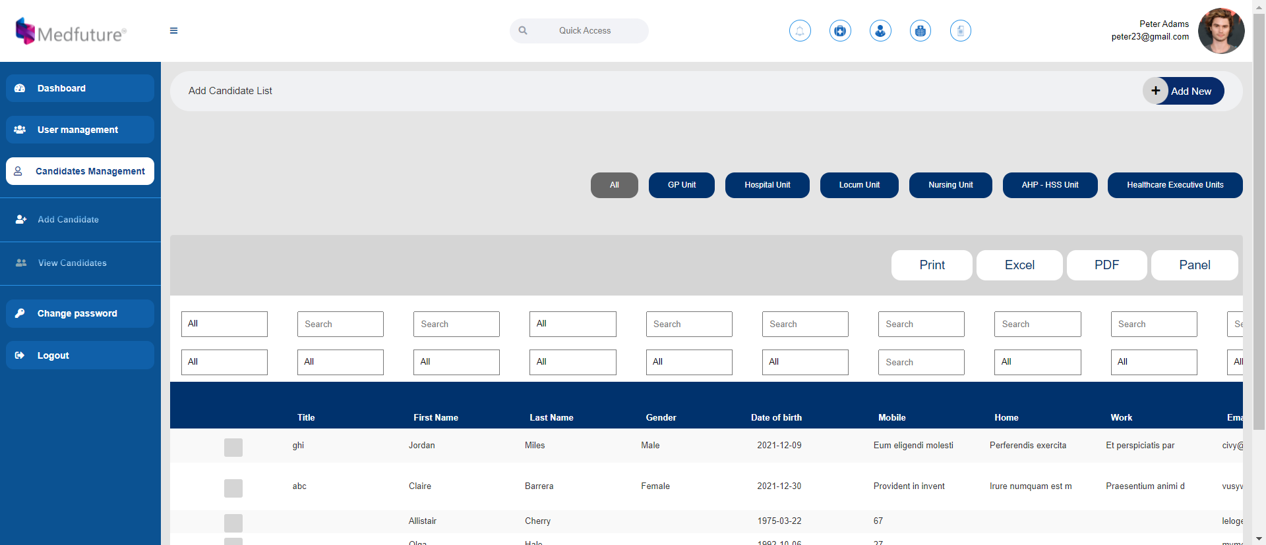

This view all candidate pages is totally different from the design we gave you. Please refer the below Screenshot of the given design. The button sizes and the format are different.

View all Candidate page is totally wrong from our design and the design is showing different details

The function button design and function is totally different.
It's showing differnt output for the selection.
Please refer our current website for functions.

 | Current Website Function Buttons

 | New Candidate management design fubtion button

Back-end Login

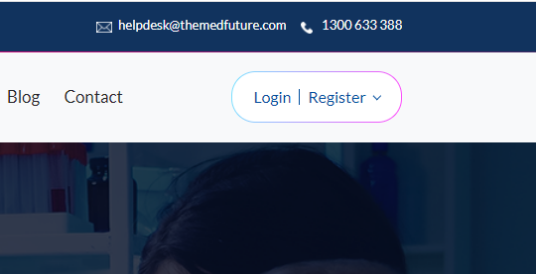
This is not the login button for the back-end.
Candidate is use this button to login and access their registerd business profile.

Candidate Profile Selection

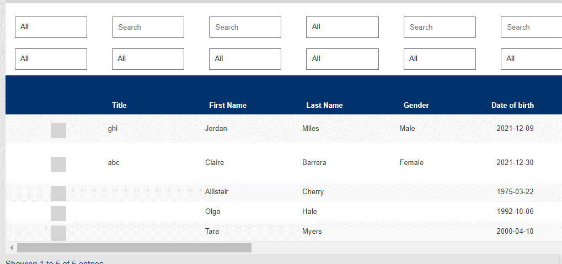

We couldn't able to select and view any candidate profile.

Add Candidate

Add Candidate button is not working and Add Candidate page is not showing anywhere.

Single Candidate Profile

This is not a calender drop-down, we gave you a year drop-down.

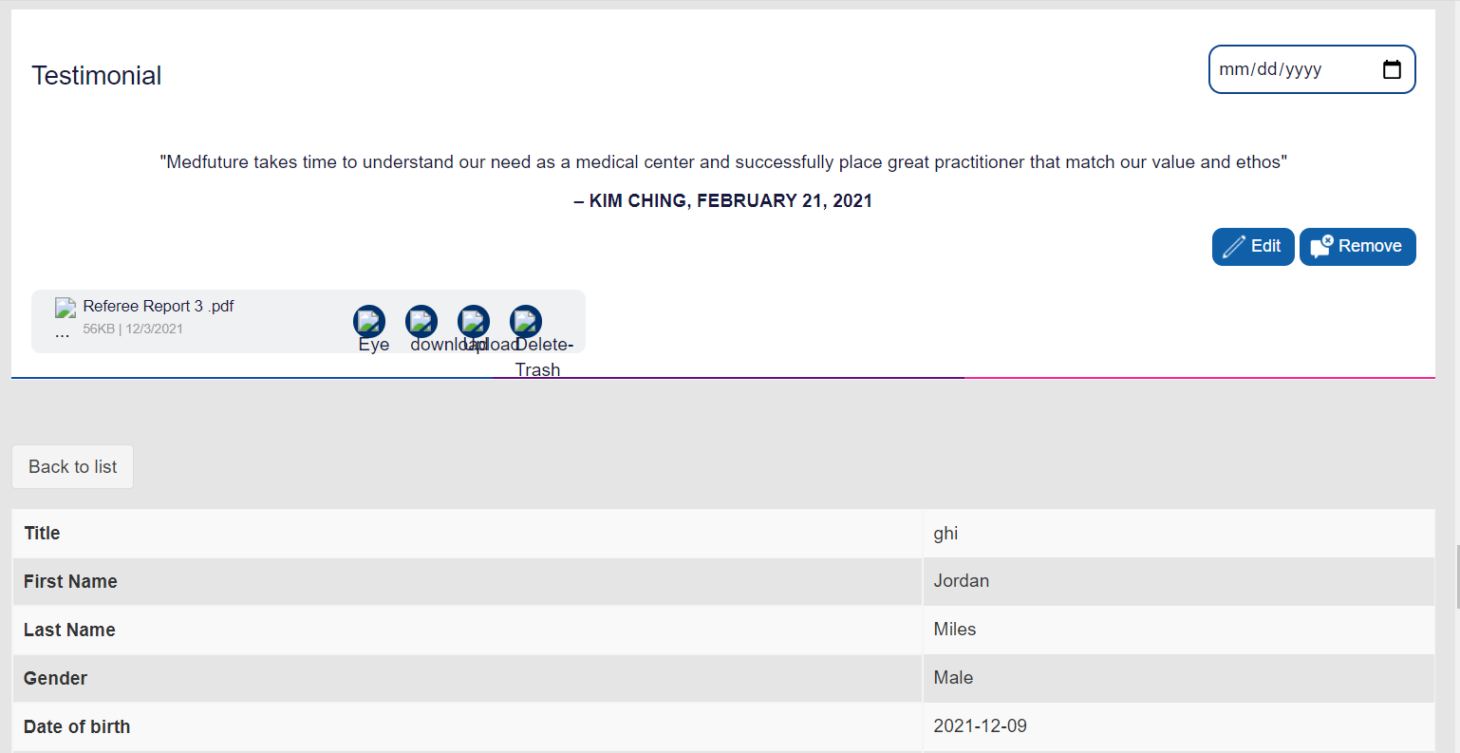

This single candidate profile is totally different from the design we gave you.

Single Candidate Profile Edit option
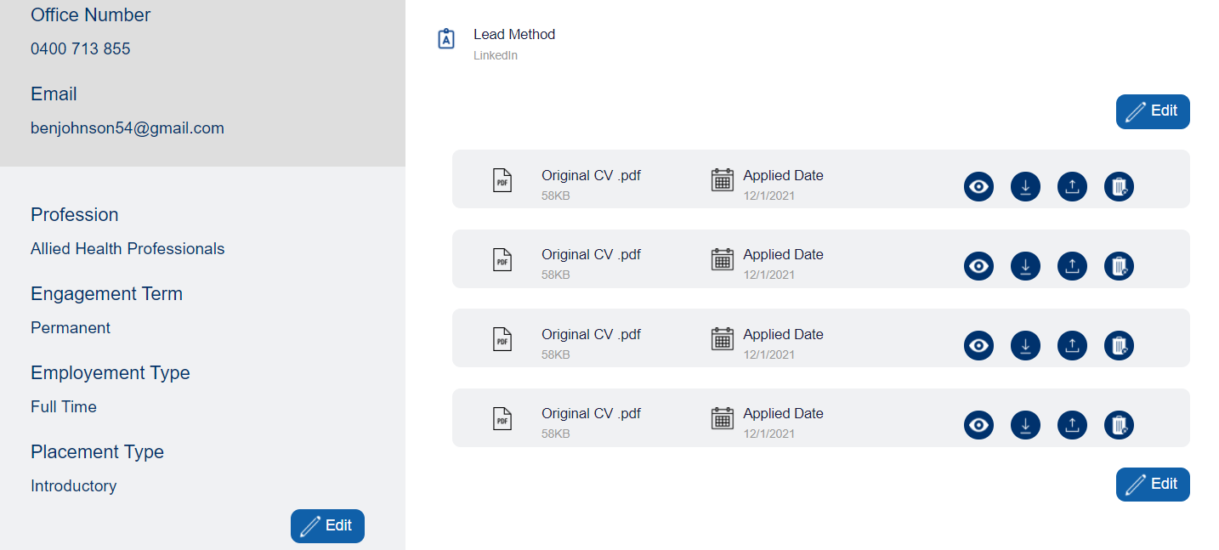

Edit option is not working in the single candidate profile. Kindly refer the current website.

Add Candidate Page Corrections
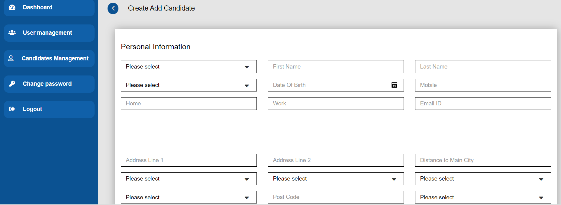

dropdow name is not showing and dropdown list is not updated yet. we already given you a excel with all dropdown list.

These details are totally irrelevant from the design we gave you.
View all Candidate Page Corrections

This is the design we gave you and there is so many details are missing in the back-end you developed.

Add candidate page button sizes

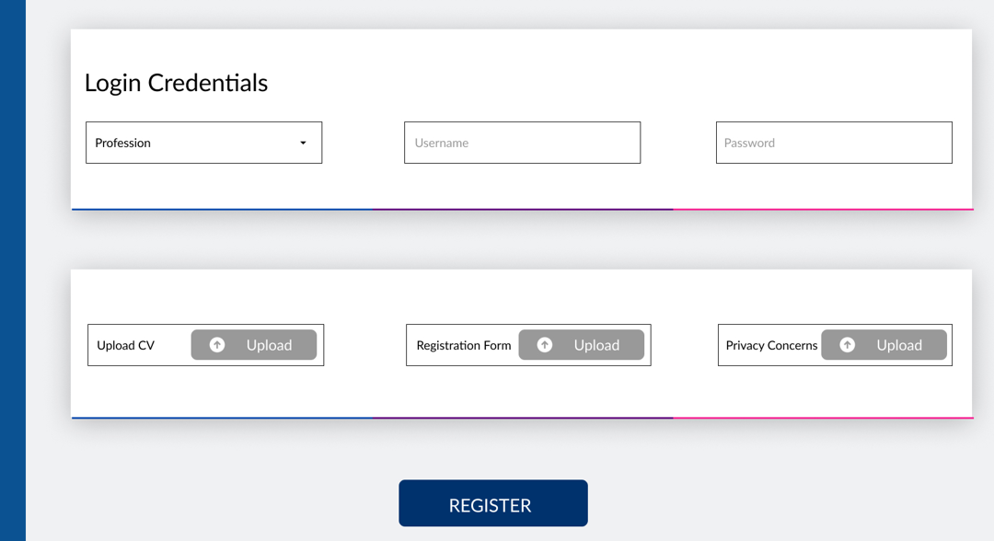

Add Candidate page button size is completely different from the design we given to you.

fonts icons in single candidate page

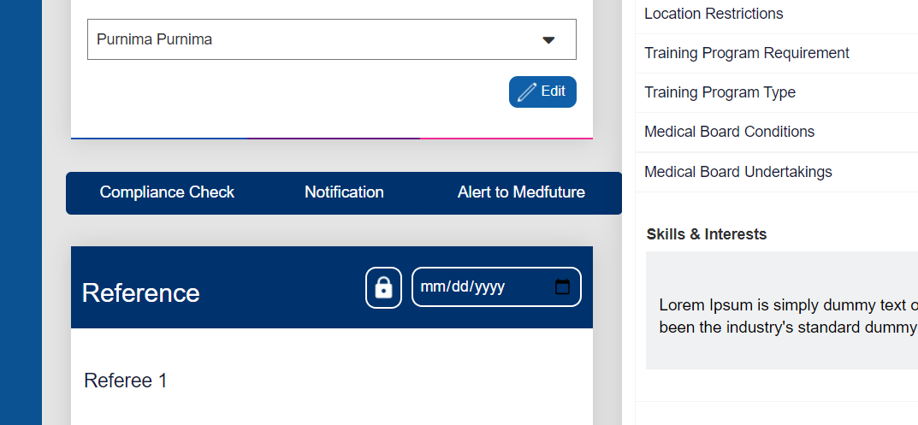

The single candidate page is showing completely different icons, buttons and font sizes. We want every fonts, buttons, boxes and the complete design in a consent given design sizes. We don't want the page inside elements size and alignment changes while we zoom out or zoom in the page size.

